Table 7
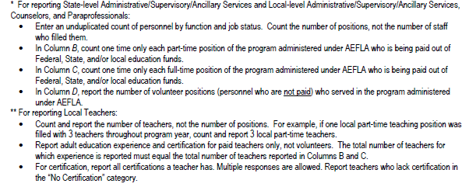
Table 7 (July 1, 2017 - June 30, 2018)
Adult Education Personnel by Function and Job Status
Enter an unduplicated count of personnel by function and job status.
 | Adult Education Personnel
Function | Total Number of Part-time Personnel | Total Number of Full-time Personnel | Unpaid Volunteers
(A) | (B) | (C) | (D)
State-level Administrative/ Supervisory/Ancillary Services
Please Note: for Admin, Counselor, and Para count POSITIONS not head count
Local-level Administrative/ Supervisory/Ancillary Services*
Local Counselors*
Local Paraprofessionals*
Please Note the Teacher count is a cumulative HEAD COUNT
Local Teachers**
Teachers' Years of Experience in Adult Education
Less than one year
One to three years
More than three years
Teacher Certification
No certification
Adult Education Certification
K-12 Certification
Special Education Certification
TESOL Certification

